Elements
 | Node Locations

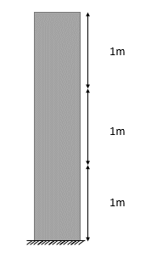
Node ID | ycoords | xcoords
1 | 0 | 0
2 | 1 | 0
3 | 2 | 0
4 | 3 | 0

Section geometry
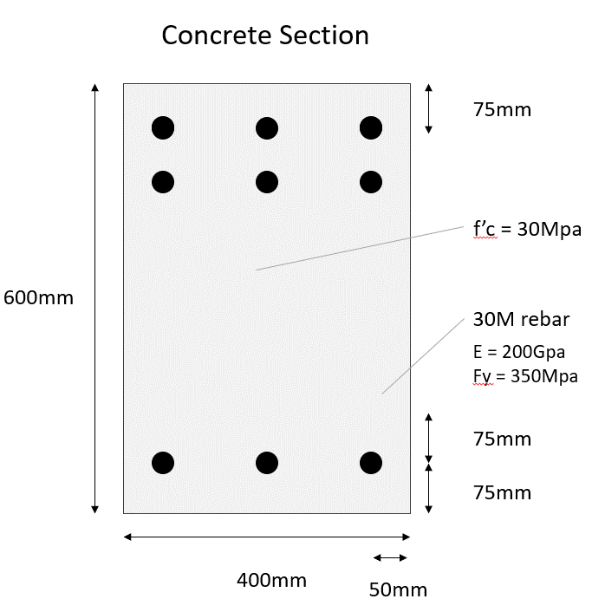
ycoords
From bottom | From centroid
75 | -225
150 | -150
525 | 225

zcoords
From bottom | From centroid
50 | -150
200 | 0
350 | 150

